Dashboard
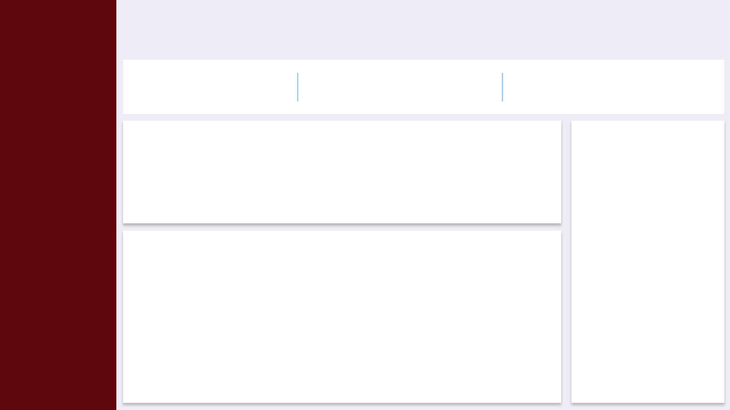
Loan Performance Dashboard

38,506,166
Total Disbursed Amount
54.55%
Approval Rate
Total Requested Amount
345,132,306

Top 5 Loan Officers
 | Total
EMP19 | 2,590,664.37
EMP13 | 2,488,661.90
EMP17 | 2,474,740.66
EMP15 | 2,272,871.42
EMP11 | 2,219,630.17
Loan Amount By Branch
 | Total
Angelastad | 4,015,448.15
East Carrie | 3,380,986.31
East Jenniferfort | 4,060,588.97
Franciscoport | 4,233,015.87
Hernandezhaven | 4,356,335.40
Marciaville | 3,639,656.87
North Phillip | 3,788,112.00
Porterton | 3,946,702.22
West Sarah | 3,526,715.84
Williamhaven | 3,558,604.82

Loan Applications per Month
 | Total
January | 78
February | 78
March | 94
April | 70
May | 76
June | 88
July | 92
August | 90
September | 81
October | 81
November | 77
December | 94

